A3 Report
Project Name |  | Stakeholders (name & role) |  | Department |  |  | Organisation objective
A3 Problem Solving Report for Insurance Claim Process |  | 1 | Policy Holder | Claim Processing |  |  | Provide efficient, accurate claim services
 |  | 2 | Healthcare Provider
Name & Email address |  | 3 | Insurare |  |  |  | Start date & planned duration
Rutvi Manishbhai Patel (rpatel4343@conestogac.on.ca) |  | 4 | Government Agency |  |  |  | April 2nd, 2024 - 25.5 hours

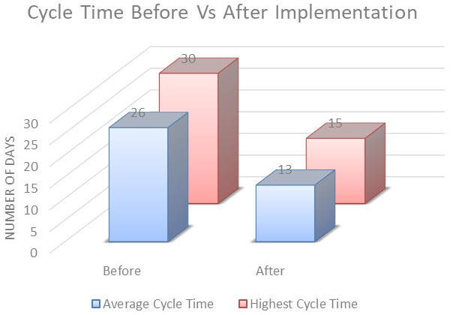
1. Clarify the problem |  |  |  | 4. Analyse the Root Cause |  |  |  |  | 7. Monitor Results & Process
Background: |  |  |  | 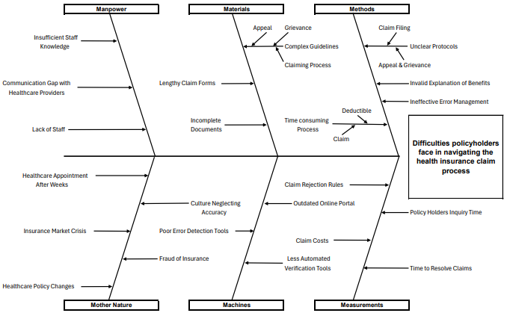 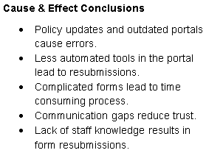 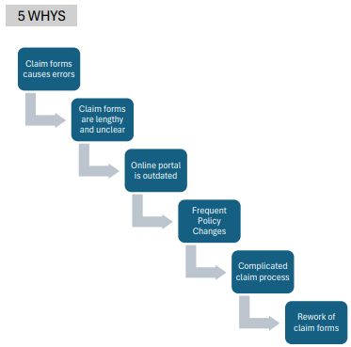
The Maryland Insurance Administration's billing department has faced several challenges due to the multiple errors on insurance claim forms. These errors have raised the workload and caused an increase in finances which has lowered policyholders' satisfaction. To recover efficiency and win back policyholder trust the department must make significant and systematic improvements.

Problem statement:
Since January 2022, the billing department at Maryland Insurance Administration United States has constantly experienced errors in 46% of the insurance claim forms with an average of 2.5 defects per form. These errors in data entry and verification lead to financial losses and operational delays, affecting staff workload and patient satisfaction. The pattern needs a systematic review of the claim process.

 |  |  |  |  |  |  |  |  | Results of Claim Cycle • Cycle time cut in half. • Maximum cycle time reduced. • Efficiency significantly enhanced.

2. Breakdown the problem
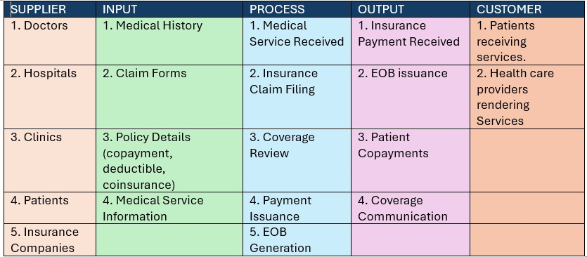 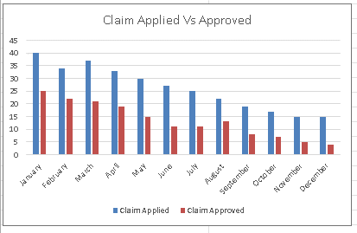 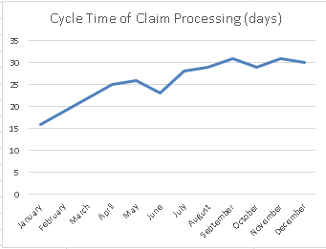

 |  |  |  |  |  |  |  |  | 8. Standardise & Share Success
 |  |  |  |  |  |  |  |  | • Familiarize the enhanced claims process that improved satisfaction by 20% and reduced claim disputes by 30% as the new standard. • Implement and standardize the electronic claims processing and online portals. • Distribute the updated procedures across all channels. • Measure the reduction in deductible-related questions due to better customer education. • Roll out risk management strategies to all relevant teams. • Review and celebrate the advancements in a company-wide meeting. • Initiate the next phase of process improvements.

 |  |  |  | 5. Develop Countermeasures
 |  |  |  |  | Countermeasure | Who will do this? | Implementation Date | Notes
 |  |  |  | 1 | Revamp the claim process documentation for greater quality | Documentation Team | 01/01/2024 | Align with the legal team to maintain Compliance

 |  |  |  | 2 | Develop and deploy educational materials on deductibles | Customer Education Department | 01/02/2024 | Use Multiple learning methods

 |  |  |  | 3 | Introduce a simplified guide and FAQ for copays and coinsurance. | Communications Department | 05/02/2024 | Customer service feedback

 |  |  |  | 6. Implement Countermeasure
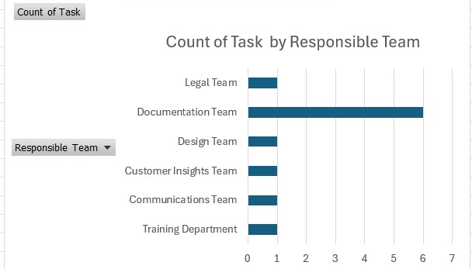
3. Set the Target
1 | Increase the claim process clarity for policyholders from 40% to 80% by March 27th, 2024.
2 | Increase the understanding of deductibales from 50% to 78% by April 3rd, 2024.
3 | Reduce copay and coinsurance inquiries from 80% to 46% by April 4th, 2024.
4 | Reduce the timeline of claiming process from 30 days to 19 days by April 7th, 2024

